offer
 |  |  |  |  |  |  |  |  |  | 100,976 | 157 | SIZE CHART
Photo | SKU_Color | SKU | Season | Name | BRAND | Gender | ASO | Color | Material | RRP Price | Qty | 0 | 1 | 2 | 3 | 4 | 6 | 7 | 25 | 26 | 27 | 28 | 29 | 30 | 31 | 32 | 33 | 34 | 36 | 37 | 37.5 | 38 | 38.5 | 39 | 39.5 | 40 | 40.5 | 41 | 42 | 42.5 | 43 | 43.5 | 44 | 45 | 46 | 48 | 50 | 52 | 54 | 56 | XS | S | M | L | XL | XXL | XXXL
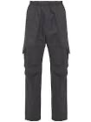 | H20932A0000954233BROWN | H20932A0000954233 | Fall/Winter 2023 | MONCLER / H20932A0000954233 / PANT | MONCLER | MEN | TROUSERS | BROWN | 100% VIRGIN WOOL | 530 | 16 |  |  |  |  |  |  |  |  |  |  |  |  |  |  |  |  |  |  |  |  |  |  |  |  |  |  |  | 9 |  |  |  | 5 |  | 1 | 1
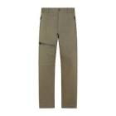 | 2A0001154A1UKHAKI | 2A0001154A1U | Fall/Winter 2023 | MONCLER / 2A0001154A1U / COTTON TROUSERS W/ KNEE ZIP - AR LOGO | MONCLER | MEN | TROUSERS | KHAKI | 98% COTTON, 2% ELASTANE | 669 | 16 |  |  |  |  |  |  |  |  |  |  |  |  |  |  |  |  |  |  |  |  |  |  |  |  |  |  |  |  |  |  |  |  |  |  | 2 | 4 | 4 | 6
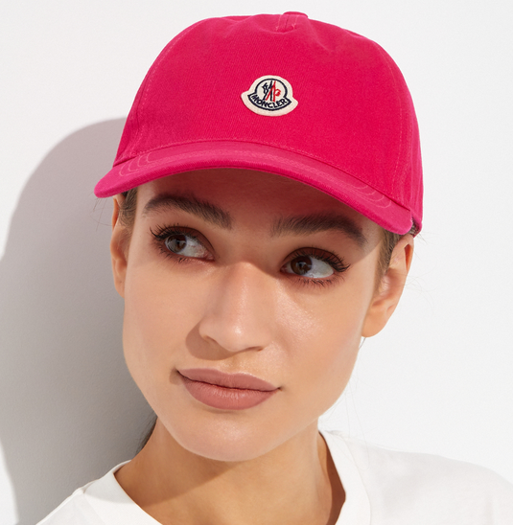 | I10933B00040V0006PINK | I10933B00040V0006 | Spring/Summer 2024 | MONCLER / I10933B00040V0006/WHITE HAT | MONCLER | UNISEX | HEADGEAR | Pink | 100% COTTON | 339 | 15 | 15
 | 2A0003754ANLBLACK | 2A0003754ANL | Fall/Winter 2023 | MONCLER / 2A0003754ANL / WOOL GABARDINE TROUSERS - ED LOGO | MONCLER | WOMEN | TROUSERS | BLACK | 100% VIRGIN WOOL | 560 | 13 |  |  |  |  |  |  |  |  |  |  |  |  |  |  |  |  |  |  |  |  |  |  |  |  |  |  |  |  |  |  |  |  |  |  | 3 | 4 | 3 | 3
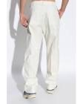 | 2A00017539ZDWHITE | 2A00017539ZD | Fall/Winter 2023 | MONCLER / 2A00017539ZD / BTP NYLON TROUSERS | MONCLER | WOMEN | TROUSERS | WHITE | 100% POLYAMIDE | 740 | 8 |  |  |  |  |  |  |  |  |  |  |  |  |  |  |  |  |  |  |  |  |  |  |  |  |  |  |  |  |  |  |  |  |  |  | 1 | 3 | 3 | 1
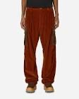 | 2A00030549UUBROWN | 2A00030549UU | Fall/Winter 2023 | MONCLER / 2A00030549UU / CORDUROY CARGO TROUSERS - AR LOGO | MONCLER | MEN | TROUSERS | BROWN | 100% COTTON | 740 | 7 | 1 |  |  |  |  |  |  |  |  |  |  |  |  |  |  |  |  |  |  |  |  |  |  |  |  |  |  |  |  |  |  |  |  |  |  | 2 | 1 | 3
 | I10938N00005899YYBLACK | I10938N00005899YY | Spring/Summer 2024 | MONCLER / I10938N0000589A0Y / COSTUME INTERO | MONCLER | WOMEN | SWIMSUIT | BLACK | 83% POLYAMIDE, 14 ELASTANE | 479 | 5 |  |  |  |  |  |  |  |  |  |  |  |  |  |  |  |  |  |  |  |  |  |  |  |  |  |  |  |  |  |  |  |  |  |  |  |  |  |  |  | 1 | 1 | 2 | 1
 | H20938H00010809LCPINK | H20938H00010809LC | Fall/Winter 2023 | MONCLER / H20938H00010809LC / SWEAT BOTTOMS | MONCLER | WOMEN | TROUSERS | Pink | 91% COTTON, 9% POLYAMIDE | 420 | 5 |  |  |  |  |  |  |  |  |  |  |  |  |  |  |  |  |  |  |  |  |  |  |  |  |  |  |  |  |  |  |  |  |  |  |  |  |  |  |  | 1 | 2 | 2
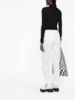 | I10932A0001857448WHITE | I10932A0001857448 | Fall/Winter 2023 | MONCLER / I10932A0001857448 / PANTALON | MONCLER | WOMEN | TROUSERS | WHITE | 98% COTTON, 2% ELASTANE | 429 | 5 |  |  |  |  |  |  |  |  |  |  |  |  |  |  |  |  |  |  |  |  |  |  |  |  |  |  |  | 2 |  |  |  | 1 |  | 1 | 1
 | 2G0001659634WHITE | 2G0001659634 | Spring/Summer 2024 | MONCLER / 2G000-16-59634 / DRESS | MONCLER | WOMEN | DAY DRESS | WHITE | 100% COTTON | 890 | 5 |  |  |  |  |  |  |  |  |  |  |  |  |  |  |  |  |  |  |  |  |  |  |  |  | 1 |  |  |  |  |  |  |  |  | 3 | 1
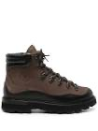 | 4G00020M3419BROWN | 4G00020M3419 | Fall/Winter 2023 | MONCLER / I209A4G00020M3419 / PEKA - NUBUCK/PEBBLED CALF HIKING BOOTS | MONCLER | MEN | BOOTS/BOOTS | BROWN | 100% suede leather | 780 | 5 |  |  |  |  |  |  |  |  |  |  |  |  |  |  |  |  |  |  |  |  |  |  |  |  |  |  |  | 1 | 1 |  | 1 | 1 | 1
 | H20933C00002M1115BLACK | H20933C00002M1115 | Spring/Summer 2024 | MONCLER / H20933C00002M1115/ BLACK SCARF | MONCLER | WOMEN | SCARF | BLACK | 100% VIRGIN WOOL | 529 | 4 | 4
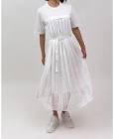 | 8I00011829HPBLACK | 8I00011829HP | Spring/Summer 2024 | MONCLER / 8I000-11-829HP / DRESS | MONCLER | WOMEN | DAY DRESS | BLACK | 100% COTTON | 840 | 4 |  |  |  |  |  |  |  |  |  |  |  |  |  |  |  |  |  |  |  |  |  |  |  |  |  |  |  |  |  |  |  |  |  |  |  |  |  |  |  | 2 | 2
 | I10932D00016596ITBEIGE | I10932D00016596IT | Spring/Summer 2024 | MONCLER / I10932D00016596IT / SKIRT | MONCLER | WOMEN | SKIRT | BEIGE | 100% COTTON | 420 | 4 |  |  |  |  |  |  |  |  |  |  |  |  |  |  |  |  |  |  |  |  |  |  |  |  | 1 |  |  | 1 |  |  |  | 2
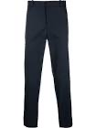 | I20932A0001 54AWAKHAKI | I20932A0001 54AWA | Fall/Winter 2023 | MONCLER / I20932A0001854AWA/KHAKI PANTS | MONCLER | MEN | TROUSERS | KHAKI | (puste) | 719 | 3 |  |  |  |  |  |  |  |  |  |  |  |  |  |  |  |  |  |  |  |  |  |  |  |  | 1 |  |  |  |  |  |  | 1 |  | 1
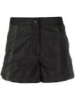 | I10932B00012539ZDBLACK | I10932B00012539ZD | Fall/Winter 2023 | MONCLER / I10932B00012539ZD / SHORT | MONCLER | MEN | TROUSERS | BLACK | 100% POLYAMIDE | 479 | 3 |  |  |  |  |  |  |  |  |  |  |  |  |  |  |  |  |  |  |  |  |  |  |  |  | 2 |  |  | 1
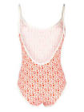 | I10938N0000589A0YPINK | I10938N0000589A0Y | Spring/Summer 2024 | MONCLER / I10938N0000589A0Y / COSTUME INTERO | MONCLER | WOMEN | SWIMSUIT | Pink | 83% POLYAMIDE, 14 ELASTANE | 479 | 3 |  |  |  |  |  |  |  |  |  |  |  |  |  |  |  |  |  |  |  |  |  |  |  |  |  |  |  |  |  |  |  |  |  |  |  |  |  |  |  |  | 1 | 2
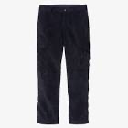 | 2A00037549UUNAVY | 2A00037549UU | Fall/Winter 2023 | MONCLER / 2A00037549UU / CORDUROY TROUSERS - ED LOGO | MONCLER | MEN | TROUSERS | NAVY | 100% COTTON | 529 | 3 |  |  |  |  |  |  |  |  |  |  |  |  |  |  |  |  |  |  |  |  |  |  |  |  |  |  |  |  |  |  |  |  |  |  | 3
 | 9C00013M1689BEIGE | 9C00013M1689 | Spring/Summer 2024 | MONCLER / 9C000-13-M1689 / CREW NECK | MONCLER | WOMEN | T-SHIRT | BEIGE | 58% COTTON, 27% POLYESTER, 15% POLYAMIDE | 440 | 2 |  |  |  |  |  |  |  |  |  |  |  |  |  |  |  |  |  |  |  |  |  |  |  |  |  |  |  |  |  |  |  |  |  |  |  |  |  |  |  |  | 2
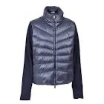 | 9B00031M1131NAVY | 9B00031M1131 | Spring/Summer 2024 | MONCLER / 9B000-31-M1131 / CARDIGAN STEHKRA STEP FRONT AND BACK LONG | MONCLER | WOMEN | CARDIGAN | NAVY | 100% POLYAMIDE | 820 | 2 |  |  |  |  |  |  |  |  |  |  |  |  |  |  |  |  |  |  |  |  |  |  |  |  |  |  |  |  |  |  |  |  |  |  |  |  |  |  |  |  | 2
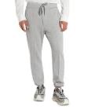 | I10932A00014596LPGREY | I10932A00014596LP | Fall/Winter 2023 | MONCLER / I10932A00014596LP / PANTALONE | MONCLER | MEN | TROUSERS | GREY | 100% COTTON | 560 | 2 |  |  |  |  |  |  |  |  |  |  |  |  |  |  |  |  |  |  |  |  |  |  |  |  |  |  |  | 1 |  |  |  | 1
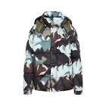 | 1A000655970KBROWN | 1A000655970K | Fall/Winter 2023 | MONCLER / 1A000655970K / MOSA JACKET - AR LOGO | MONCLER | WOMEN | JACKET | BROWN | 100% POLYAMIDE | 2159 | 2 |  | 2
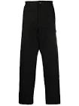 | 2A0002559784BLACK | 2A0002559784 | Fall/Winter 2023 | MONCLER / 2A0002559784 / HEAVY WASHED CANVAS TROUSERS - AQ LOGO | MONCLER | MEN | TROUSERS | BLACK | 100% COTTON | 719 | 2 |  |  |  |  |  |  |  |  |  |  |  |  |  |  |  |  |  |  |  |  |  |  |  |  |  |  |  |  |  |  |  |  |  |  | 1 | 1
 | 4G00010M3672BROWN | 4G00010M3672 | Fall/Winter 2023 | MONCLER / I209A4G00010M3672 / PEKA TREK - NUBUCK HIKING BOOTS | MONCLER | MEN | BOOTS/BOOTS | BROWN | 100% LEATHER | 890 | 2 |  |  |  |  |  |  |  |  |  |  |  |  |  |  |  |  |  |  |  |  |  |  |  |  |  |  |  |  |  |  |  |  | 2
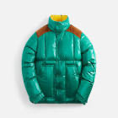 | 1A00127595ZJGREEN | 1A00127595ZJ | Fall/Winter 2023 | MONCLER / 1A00127595ZJ / AIN JACKET - AR LOGO | MONCLER | MEN | JACKET | GREEN | 100% POLYESTER | 1219 | 2 |  |  |  |  |  | 1 | 1
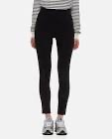 | 8H00005899GW999 | 8H00005899GW | Fall/Winter 2023 | MONCLER / 8H000-05-899GW / JERSEY BOTTOMS | MONCLER | WOMEN | TROUSERS | 999 | (puste) | 460 | 1 | 1
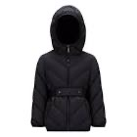 | H20931A001115396QBLACK | H20931A001115396Q | Fall/Winter 2023 | MONCLER / H20931A001115396Q / ILAY GIUBBOTTO | MONCLER | WOMEN | JACKET | BLACK | 90% DAUN, 10% FEATHER | 4380 | 1 |  |  | 1
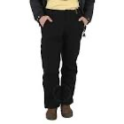 | H20932A0000354AS3BROWN | H20932A0000354AS3 | Fall/Winter 2023 | MONCLER / H20932A0000354AS3 / TROUSERS | MONCLER | WOMEN | TROUSERS | BROWN | 56% VIRGIN WOOL, 44% COTTON | 730 | 1 |  |  |  |  |  |  |  |  |  |  |  |  |  |  |  |  |  |  |  |  |  |  |  |  | 1
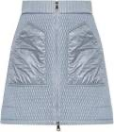 | H20932D00002539AQBLUE | H20932D00002539AQ | Spring/Summer 2024 | MONCLER / H20932D00002539AQ / SKIRTS | MONCLER | WOMEN | SKIRT | BLUE | 100% POLYAMIDE | 529 | 1 |  |  |  |  |  |  |  |  |  |  |  |  |  |  |  |  |  |  |  |  |  |  |  |  | 1
 | H20938G00014809KFYELLOW | H20938G00014809KF | Spring/Summer 2024 | MONCLER / H20938G00014809KF / HOODIE SWEATER | MONCLER | WOMEN | SWEATSHIRT | YELLOW | 91% COTTON, 9% POLYAMIDE | 440 | 1 |  |  |  |  |  |  |  |  |  |  |  |  |  |  |  |  |  |  |  |  |  |  |  |  |  |  |  |  |  |  |  |  |  |  |  |  |  |  |  |  |  |  |  | 1
 | H209A4M00360M1781WHITE | H209A4M00360M1781 | Spring/Summer 2024 | MONCLER / H209A4M00360M1781 / PROMYX SPACE CONTRAST BACKPART LOWTOP SNEAKERS | MONCLER | WOMEN | SNEAKERS | WHITE | 100% LEATHER | 600 | 1 |  |  |  |  |  |  |  |  |  |  |  |  |  |  |  |  |  |  |  |  |  |  |  |  |  |  | 1
 | I10933D000010U203PINK | I10933D000010U203 | Spring/Summer 2024 | MONCLER / I10933D000010U203/PINK TOWEL | MONCLER | UNISEX | TOWEL | Pink | 100% COTTON | 599 | 1 | 1
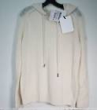 | I10939G00004M1509WHITE-BLUE | I10939G00004M1509 | Spring/Summer 2024 | MONCLER / I10939G00004M1509 / GIROCOLLO CON CAPPUCCIO TRICOT | MONCLER | WOMEN | SWEATSHIRT | WHITE-BLUE | 100% POLYAMIDE | 670 | 1 |  |  |  |  |  |  |  |  |  |  |  |  |  |  |  |  |  |  |  |  |  |  |  |  |  |  |  |  |  |  |  |  |  |  |  |  |  |  |  |  |  |  |  | 1
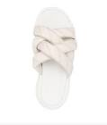 | I109B4C00020M2995WHITE | I109B4C00020M2995 | Spring/Summer 2024 | MONCLER / I109B4C00020M2995 / BELAY KNOT | MONCLER | WOMEN | SANDALS | WHITE | 100% rubber | 395 | 1 |  |  |  |  |  |  |  |  |  |  |  |  |  |  |  |  |  |  |  |  |  |  |  |  | 1
 | I20932F000085964BWHITE | I20932F000085964B | Spring/Summer 2024 | MONCLER / I20932F000085964B / SHIRTS | MONCLER | MEN | SWEATSHIRT | WHITE | 90% POLYESTER, 8% POLYAMIDE, 2% ELASTANE | 670 | 1 |  |  |  |  |  |  |  |  |  |  |  |  |  |  |  |  |  |  |  |  |  |  |  |  |  |  |  | 1
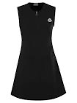 | I20939L000092M1241BLACK | I20939L000092M1241 | Spring/Summer 2024 | MONCLER / I20939L000092M1241 / DRESS | MONCLER | WOMEN | DAY DRESS | BLACK | 100% WOOL | 890 | 1 |  |  |  |  |  |  |  |  |  |  |  |  |  |  |  |  |  |  |  |  |  |  |  |  |  |  |  |  |  |  |  |  |  |  |  |  |  |  |  |  |  | 1
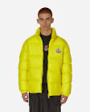 | 1A000155396LYELLOW | 1A000155396L | Fall/Winter 2023 | MONCLER / 1A000155396L / CITALA JACKET - AQ LOGO | MONCLER | MEN | JACKET | YELLOW | 100% POLYAMIDE | 1460 | 1 |  | 1
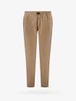 | 2A0001657448BEIGE | 2A0001657448 | Fall/Winter 2023 | MONCLER / 2A0001657448 / ELASTIC DRAWSTRING TROUSERS - AR LOGO | MONCLER | MEN | TROUSERS | BEIGE | 98% COTTON, 2% ELASTANE | 669 | 1 |  |  |  |  |  |  |  |  |  |  |  |  |  |  |  |  |  |  |  |  |  |  |  |  |  |  |  |  |  |  |  |  |  |  |  |  |  |  | 1
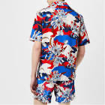 | 2F00008596S1BLUE | 2F00008596S1 | Spring/Summer 2024 | MONCLER / 2F00008596S1 / S/S RESORT SHIRT FLOWER PRINT - AR LOGO | MONCLER | MEN | SHIRTS | BLUE | 100% COTTON | 479 | 1 |  |  |  |  |  |  |  |  |  |  |  |  |  |  |  |  |  |  |  |  |  |  |  |  |  |  |  |  |  |  |  |  |  |  |  |  |  |  |  |  |  |  |  |  |  | 1
 | 2A0000954ARPBLACK | 2A0000954ARP | Fall/Winter 2023 | MONCLER / 2A0000954ARP / NYLON DRAWSTRING TROUSERS - BM LOGO | MONCLER | MEN | TROUSERS | BLACK | 64% COTTON, 36% POLYAMIDE | 470 | 1 |  |  |  |  |  |  |  |  |  |  |  |  |  |  |  |  |  |  |  |  |  |  |  |  |  |  |  |  |  |  |  |  |  |  |  |  | 1
 | 1A00096595Z5WHITE | 1A00096595Z5 | Fall/Winter 2023 | MONCLER / 1A000-96-595Z5 / CEZEMBRE JACKET | MONCLER | WOMEN | JACKET | WHITE | 100% POLYAMIDE | 1100 | 1 |  |  |  | 1
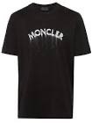 | 2F000042699UWHITE | 2F000042699U | Spring/Summer 2024 | MONCLER / 2F000-04-2699U / SHIRTS | MONCLER | WOMEN | BLOUSE | WHITE | 65% POLYESTER, 35% COTTON | 529 | 1 |  |  |  |  |  |  |  |  |  |  |  |  |  |  |  |  |  |  |  |  |  |  |  |  |  |  |  |  |  |  |  | 1
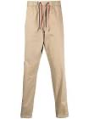 | 2A0000357448BEIGE | 2A0000357448 | Fall/Winter 2023 | MONCLER / 2A0000357448* / TRICOLORE DRAWSTRING TROUSERS - AR LOGO | MONCLER | WOMEN | TROUSERS | BEIGE | 98% COTTON, 2% ELASTANE | 599 | 1 |  |  |  |  |  |  |  |  |  |  |  |  |  |  |  |  |  |  |  |  |  |  |  |  |  |  |  |  |  |  |  |  |  |  |  |  | 1
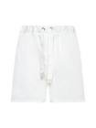 | 2B0000354A1KWHITE | 2B0000354A1K | Fall/Winter 2023 | MONCLER / 2B000-03-54A1K / SHORTS | MONCLER | MEN | TROUSERS | WHITE | 100% POLYESTER | 280 | 1 |  |  |  |  |  |  |  |  |  |  |  |  |  |  |  |  |  |  |  |  |  |  |  |  |  |  |  | 1

